BD-QA
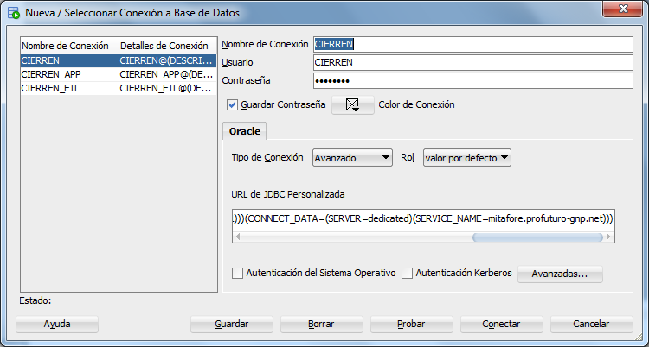
BD QA
User | CIERREN | Pwd | F5tEw1#0
User | CIERREN_APP | Pwd | l90E5$TT
User | CIERREN_ETL | Pwd | qJF52%s6
User | CIERREN_ETL_APP | Pwd | yqS5#i8R

Configuración Avanzada

jdbc:oracle:thin:@(DESCRIPTION=(ADDRESS_LIST=(FAILOVER=on)(LOAD_BALANCE=yes)(ADDRESS=(PROTOCOL=TCP)(HOST=172.16.58.46)(PORT=16161)))(CONNECT_DATA=(SERVER=dedicated)(SERVICE_NAME=mitafore.profuturo-gnp.net)))

